3. FD
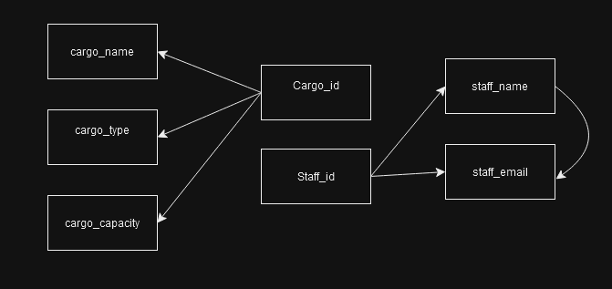
FD | Buat Notasi FD untuk FD Parsial, Transitif & Full
 | Buat Diagram FD

 | Primary Key di 1NF :
 | Transactions: transaction_id
 | Shipments: transaction_id, cargo_id, staff_id (composite key)
 | Buyers: customer_id
 | Material: transaction_id, material_id (composite key)
 | Payments: transaction_id
 | Warehouse: warehouse_id

 | Partial Dependency
 | cargo_id -> cargo_name
 | cargo_id -> cargo_type
 | cargo_id -> cargo_capacity

 | Full Depedency

 | staff_id -> staff_name
 | staff_id -> staff_email

 | Transitive Dependency
 | staff_id -> staff_name -> staff_email

 | Diagram FD

7. ERD
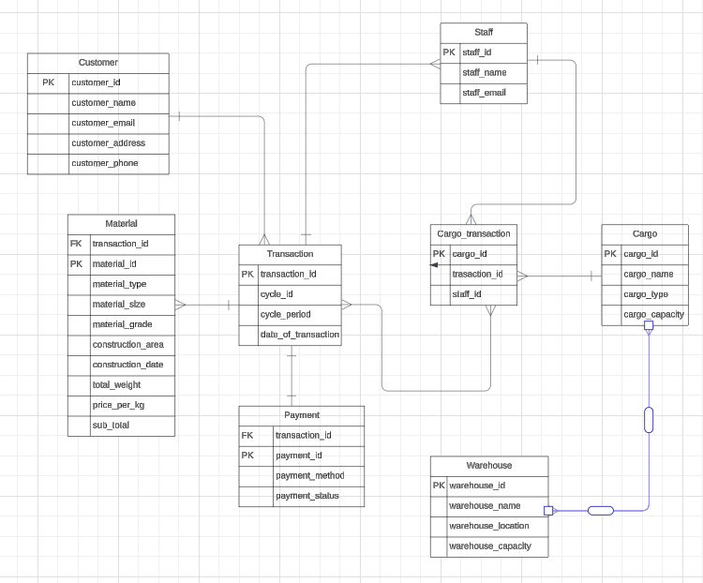
ERD | Buat ERD menggunakan Notasi Chen atau Crows Foot

